Summary
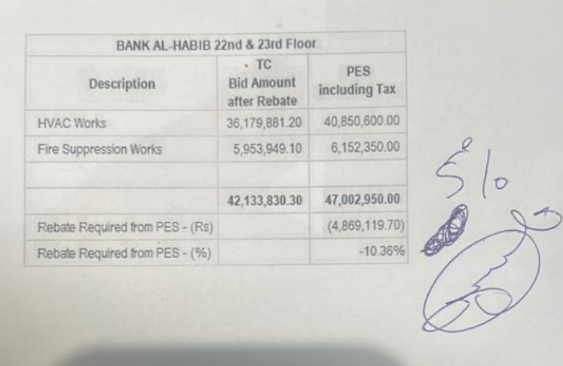
 |  |  |  | Bank Al-Habib Limited

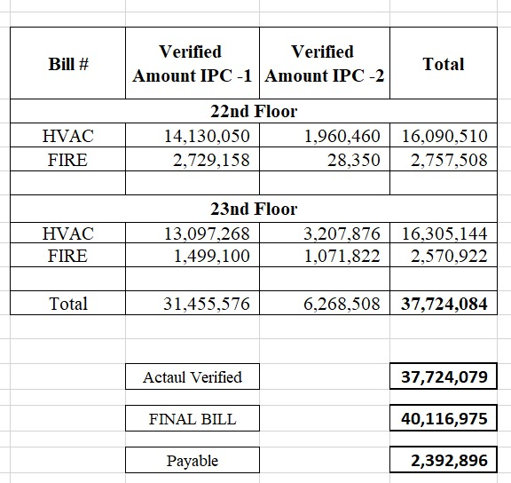
HVAC & Fire Fighting Work |  |  |  | 3-May-24
22nd & 23rd Floor Centerpoint Karachi

SUMMARY OF FINAL BILL

S.No | Description | Previous Amount | Current Amount | Total Amount
1 | HVAC 22nd Floor | 16,114,257 | 392,826 | 16,507,083 | 416,573
2 | HVAC 23rd Floor | 16,553,529 | 309,242 | 16,862,771 | 735,799
 | Total Amount HVAC |  |  | 33,369,854

3 | Fire Fighting 22nd Floor | 2,757,503 | 735,804 | 3,493,307 | 557,627
4 | Fire Fighting 23rd Floor | 2,638,647 | 555,090 | 3,193,737 | 622,815
 | Total Amount Fire Fighting |  |  | 6,687,044 | 2,332,814

 | Grand Total Amount | 38,063,936 | 1,992,962 | 40,056,898

